Evaluations
Evaluations TAB
1. Click BELOW | 2.Select BELOW | Deactivate all filters in the master tab to use the evaluations (if activated)
C) Fight - Settings (No Cargo)
Spec Comparison While Dogfighting (No Cargo)
 | M50 | Aurora (LN) 2944 | Origin 325a | F7C Hornet | F7C-M Super Hornet | Cutlass | Vanduul Scythe | Avenger
Crew [%] | 10 | 10 | 10 | 10 | 20 | 20 | 10 | 10
Firepower [%] | 23 | 20 | 19 | 24 | 36 | 32 | 31 | 18
Powerplant [%] | 57 | 29 | 43 | 43 | 57 | 57 | 43 | 43
Agility [%] | 99 | 63 | 22 | 30 | 26 | 20 | 27 | 35
Upgrade [%] | 25 | 25 | 30 | 30 | 30 | 60 | 20 | 20
Acceleration [%] | 100 | 26 | 34 | 45 | 41 | 51 | 78 | 26
Shield [%] | 33 | 33 | 33 | 44 | 44 | 44 | 22 | 33
Cargo [%] | 3 | 4 | 7 | 3 | 0 | 8 | 0 | 8
Spec Comparison While Trading (Full Cargo)
 | F7C-M Super Hornet | T3A Gladiator | Cutlass | Freelancer | Caterpillar | Constellation | Retaliator | Starfarer
Crew [%] | 20 | 20 | 20 | 20 | 50 | 40 | 60 | 20
Firepower [%] | 36 | 41 | 32 | 32 | 37 | 60 | 100 | 20
Powerplant [%] | 57 | 57 | 57 | 71 | 71 | 86 | 86 | 86
Agility [%] | 26 | 19 | 20 | 7 | 9 | 4 | 3 | 1
Upgrade [%] | 30 | 40 | 60 | 50 | 60 | 100 | 40 | 40
Acceleration [%] | 41 | 23 | 51 | 20 | 16 | 29 | 18 | 10
Shield [%] | 44 | 44 | 44 | 56 | 56 | 67 | 67 | 78
Cargo [%] | 0 | 8 | 8 | 17 | 17 | 29 | 25 | 63
Ship Comparison While Exploring (No Cargo)
 | Aurora (ES) 2944 | Aurora (LX) 2944 | Origin 315p | F7C-M Super Hornet | Freelancer | Caterpillar | Constellation | Retaliator
Crew [%] | 10 | 10 | 10 | 20 | 20 | 50 | 40 | 60
Firepower [%] | 14 | 14 | 18 | 36 | 32 | 37 | 60 | 100
Powerplant [%] | 29 | 29 | 43 | 57 | 71 | 71 | 86 | 86
Agility [%] | 86 | 96 | 21 | 26 | 7 | 9 | 4 | 3
Upgrade [%] | 20 | 20 | 30 | 30 | 50 | 60 | 100 | 40
Acceleration [%] | 26 | 30 | 32 | 41 | 20 | 16 | 29 | 18
Shield [%] | 33 | 22 | 33 | 44 | 56 | 56 | 67 | 67
Cargo [%] | 4 | 4 | 7 | 0 | 17 | 17 | 29 | 25
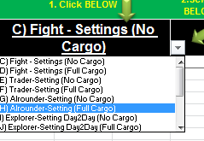

Please click in this field to
activate the drop down box. You can select a setting for the charts. The recommended setting is given by orange text in each graph.

If you do not see this icon after clicking the leftside box, your Excel is too old :-( Use version 2010 or higher :-( sorry
As a workaround you can copy from Tab "Predefined Settings" a headline of a setting you want to use into this field.

Theme Evaluations

 | Ship Rating [%]
M50 | 32
Aurora (LN) 2944 | 16
Origin 325a | 19
F7C Hornet | 22
F7C-M Super Hornet | 27
Cutlass | 31
Vanduul Scythe | 27
Avenger | 17
 | $/Ship Rating
M50 | 3
Aurora (LN) 2944 | 2
Origin 325a | 4
F7C Hornet | 5
F7C-M Super Hornet | 6
Cutlass | 3
Vanduul Scythe | 11
Avenger | 4
 | Ship Rating [%]
Aurora (ES) 2944 | 14
Aurora (LX) 2944 | 15
Origin 315p | 19
F7C-M Super Hornet | 27
Freelancer | 27
Caterpillar | 32
Constellation | 43
Retaliator | 45
 | $/Ship Rating
Aurora (ES) 2944 | 2
Aurora (LX) 2944 | 2
Origin 315p | 3
F7C-M Super Hornet | 6
Freelancer | 4
Caterpillar | 7
Constellation | 5
Retaliator | 5
 | Cargo [%] | Acceleration [%] | Agility [%] | Crew [%] | Upgrade [%] | Powerplant [%] | Firepower [%] | Shield [%]
Weights [%] | 0 | 15 | 20 | 10 | 15 | 10 | 20 | 10
 | Cargo [%] | Acceleration [%] | Agility [%] | Crew [%] | Upgrade [%] | Powerplant [%] | Firepower [%] | Shield [%]
Weights [%] | 0 | 15 | 20 | 10 | 15 | 10 | 20 | 10
 | Ship Rating [%]
F7C-M Super Hornet | 27
T3A Gladiator | 26
Cutlass | 31
Freelancer | 27
Caterpillar | 32
Constellation | 43
Retaliator | 45
Starfarer | 24
 | $/Ship Rating
F7C-M Super Hornet | 6
T3A Gladiator | 6
Cutlass | 3
Freelancer | 4
Caterpillar | 7
Constellation | 5
Retaliator | 5
Starfarer | 7
 | Cargo [%] | Acceleration [%] | Agility [%] | Crew [%] | Upgrade [%] | Powerplant [%] | Firepower [%] | Shield [%]
Weights [%] | 0 | 15 | 20 | 10 | 15 | 10 | 20 | 10

Spec Comparison of all RSI Ships
 | Aurora (ES) 2944 | Aurora (MR) 2944 | Aurora (CL) 2944 | Aurora (LN) 2944 | Aurora (LX) 2944 | Constellation
Crew [%] | 10 | 10 | 10 | 10 | 10 | 40
Firepower [%] | 14 | 14 | 13 | 20 | 14 | 60
Powerplant [%] | 29 | 29 | 29 | 29 | 29 | 86
Agility [%] | 86 | 82 | 76 | 63 | 96 | 4
Upgrade [%] | 20 | 20 | 20 | 25 | 20 | 100
Acceleration [%] | 26 | 24 | 23 | 26 | 30 | 29
Shield [%] | 33 | 22 | 22 | 33 | 22 | 67
Cargo [%] | 4 | 4 | 8 | 4 | 4 | 29
Spec Comparison of all Drake Ships
 | Cutlass | Caterpillar
Crew [%] | 20 | 50
Firepower [%] | 32 | 37
Powerplant [%] | 57 | 71
Agility [%] | 20 | 9
Upgrade [%] | 60 | 60
Acceleration [%] | 51 | 16
Shield [%] | 44 | 56
Cargo [%] | 8 | 17
Spec Comparison of all Origin Ships
 | M50 | Origin 300i | Origin 315p | Origin 325a | Origin 350r
Crew [%] | 10 | 10 | 10 | 10 | 10
Firepower [%] | 23 | 19 | 18 | 19 | 20
Powerplant [%] | 57 | 43 | 43 | 43 | 57
Agility [%] | 99 | 24 | 21 | 22 | 36
Upgrade [%] | 25 | 30 | 30 | 30 | 30
Acceleration [%] | 100 | 37 | 32 | 34 | 50
Shield [%] | 33 | 33 | 33 | 33 | 33
Cargo [%] | 3 | 7 | 7 | 7 | 4
Spec Comparison of all MISC Ships
 | Freelancer | Starfarer
Crew [%] | 20 | 20
Firepower [%] | 32 | 20
Powerplant [%] | 71 | 86
Agility [%] | 7 | 1
Upgrade [%] | 50 | 40
Acceleration [%] | 20 | 10
Shield [%] | 56 | 78
Cargo [%] | 17 | 63
Spec Comparison of all Anvil Ships
 | F7C Hornet | F7C-S Hornet Ghost | F7C-R Hornet Tracker | F7C-M Super Hornet | F7A Hornet (sale?) | T3A Gladiator
Crew [%] | 10 | 10 | 10 | 20 | 10 | 20
Firepower [%] | 24 | 25 | 24 | 36 | 49 | 41
Powerplant [%] | 43 | 43 | 43 | 57 | 57 | 57
Agility [%] | 30 | 40 | 35 | 26 | 27 | 19
Upgrade [%] | 30 | 30 | 30 | 30 | 20 | 40
Acceleration [%] | 45 | 48 | 47 | 41 | 41 | 23
Shield [%] | 44 | 44 | 44 | 44 | 44 | 44
Cargo [%] | 3 | 0 | 0 | 0 | 0 | 8
Spec Comparison of all Aegis Ships
 | Retaliator | Avenger | Idris (M) | Idris (P)
Crew [%] | 60 | 10 | 100 | 100
Firepower [%] | 100 | 18 | 80 | 79
Powerplant [%] | 86 | 43 | 100 | 100
Agility [%] | 3 | 35 | 0 | 0
Upgrade [%] | 40 | 20 | 100 | 100
Acceleration [%] | 18 | 26 | 19 | 21
Shield [%] | 67 | 33 | 100 | 100
Cargo [%] | 25 | 8 | 83 | 100

Aegis
Dynamics

Producer Evaluations

 | Cargo [%] | Acceleration [%] | Agility [%] | Crew [%] | Upgrade [%] | Powerplant [%] | Firepower [%] | Shield [%]
Weights [%] | 0 | 15 | 20 | 10 | 15 | 10 | 20 | 10
 | Ship Rating [%]
Aurora (ES) 2944 | 14
Aurora (MR) 2944 | 14
Aurora (CL) 2944 | 13
Aurora (LN) 2944 | 16
Aurora (LX) 2944 | 15
Constellation | 43
 | $/Ship Rating
Aurora (ES) 2944 | 2
Aurora (MR) 2944 | 2
Aurora (CL) 2944 | 2
Aurora (LN) 2944 | 2
Aurora (LX) 2944 | 2
Constellation | 5
 | Cargo [%] | Acceleration [%] | Agility [%] | Crew [%] | Upgrade [%] | Powerplant [%] | Firepower [%] | Shield [%]
Weights [%] | 0 | 15 | 20 | 10 | 15 | 10 | 20 | 10
 | Ship Rating [%]
Cutlass | 31
Caterpillar | 32
 | $/Ship Rating
Cutlass | 3
Caterpillar | 7
 | Cargo [%] | Acceleration [%] | Agility [%] | Crew [%] | Upgrade [%] | Powerplant [%] | Firepower [%] | Shield [%]
Weights [%] | 0 | 15 | 20 | 10 | 15 | 10 | 20 | 10
 | Ship Rating [%]
M50 | 32
Origin 300i | 20
Origin 315p | 19
Origin 325a | 19
Origin 350r | 24
 | $/Ship Rating
M50 | 3
Origin 300i | 3
Origin 315p | 3
Origin 325a | 4
Origin 350r | 4
 | Cargo [%] | Acceleration [%] | Agility [%] | Crew [%] | Upgrade [%] | Powerplant [%] | Firepower [%] | Shield [%]
Weights [%] | 0 | 15 | 20 | 10 | 15 | 10 | 20 | 10
 | Ship Rating [%]
Freelancer | 27
Starfarer | 24
 | $/Ship Rating
Freelancer | 4
Starfarer | 7
 | Cargo [%] | Acceleration [%] | Agility [%] | Crew [%] | Upgrade [%] | Powerplant [%] | Firepower [%] | Shield [%]
Weights [%] | 0 | 15 | 20 | 10 | 15 | 10 | 20 | 10
 | Ship Rating [%]
F7C Hornet | 22
F7C-S Hornet Ghost | 23
F7C-R Hornet Tracker | 22
F7C-M Super Hornet | 27
F7A Hornet (sale?) | 28
T3A Gladiator | 26
 | $/Ship Rating
F7C Hornet | 5
F7C-S Hornet Ghost | 6
F7C-R Hornet Tracker | 6
F7C-M Super Hornet | 6
F7A Hornet (sale?) | 5
T3A Gladiator | 6
 | Cargo [%] | Acceleration [%] | Agility [%] | Crew [%] | Upgrade [%] | Powerplant [%] | Firepower [%] | Shield [%]
Weights [%] | 0 | 15 | 20 | 10 | 15 | 10 | 20 | 10
 | Ship Rating [%]
Retaliator | 45
Avenger | 17
Idris (M) | 54
Idris (P) | 54
 | $/Ship Rating
Retaliator | 5
Avenger | 4
Idris (M) | 19
Idris (P) | 23

EXAMPLE: Spec Comparison of all Ships
 | M50 | Aurora (ES) 2944 | Aurora (MR) 2944 | Aurora (CL) 2944 | Aurora (LN) 2944 | Aurora (LX) 2944 | Origin 300i | Origin 315p | Origin 325a | Origin 350r | F7C Hornet | F7C-S Hornet Ghost
Crew [%] | 10 | 10 | 10 | 10 | 10 | 10 | 10 | 10 | 10 | 10 | 10 | 10
Firepower [%] | 23 | 14 | 14 | 13 | 20 | 14 | 19 | 18 | 19 | 20 | 24 | 25
Powerplant [%] | 57 | 29 | 29 | 29 | 29 | 29 | 43 | 43 | 43 | 57 | 43 | 43
Agility [%] | 99 | 86 | 82 | 76 | 63 | 96 | 24 | 21 | 22 | 36 | 30 | 40
Upgrade [%] | 25 | 20 | 20 | 20 | 25 | 20 | 30 | 30 | 30 | 30 | 30 | 30
Acceleration [%] | 100 | 26 | 24 | 23 | 26 | 30 | 37 | 32 | 34 | 50 | 45 | 48
Shield [%] | 33 | 33 | 22 | 22 | 33 | 22 | 33 | 33 | 33 | 33 | 44 | 44
Cargo [%] | 3 | 4 | 4 | 8 | 4 | 4 | 7 | 7 | 7 | 4 | 3 | 0

 | Cargo [%] | Acceleration [%] | Agility [%] | Crew [%] | Upgrade [%] | Powerplant [%] | Firepower [%] | Shield [%]
Weights [%] | 0 | 15 | 20 | 10 | 15 | 10 | 20 | 10
 | Ship Rating [%]
F7C Hornet | 22
F7C-S Hornet Ghost | 23
F7C-R Hornet Tracker | 22
F7C-M Super Hornet | 27
F7A Hornet (sale?) | 28
T3A Gladiator | 26
 | $/Ship Rating
F7C Hornet | 5
F7C-S Hornet Ghost | 6
F7C-R Hornet Tracker | 6
F7C-M Super Hornet | 6
F7A Hornet (sale?) | 5
T3A Gladiator | 6

Additionals
Module Communication Overview by RSI (repaint) | RSI Ship Components

HEAT Pipe (Floating values)
INFO Pipe (Data events)
MAIN POWER Pipe (Floating values)
AVIONICS Pipe (Binary values)
Battery Power Pipe
Shields
Weapons
Radar
HUD
Cooler
Power Plant
Battery
Avionics CPU
Ship Wires
Module Communication Overview

v 1.982

Ship size comparison by jimbo0270 | https://forums.robertsspaceindustries.com/discussion/28970/ship-size-comparison-ship-scale-3-0/p1

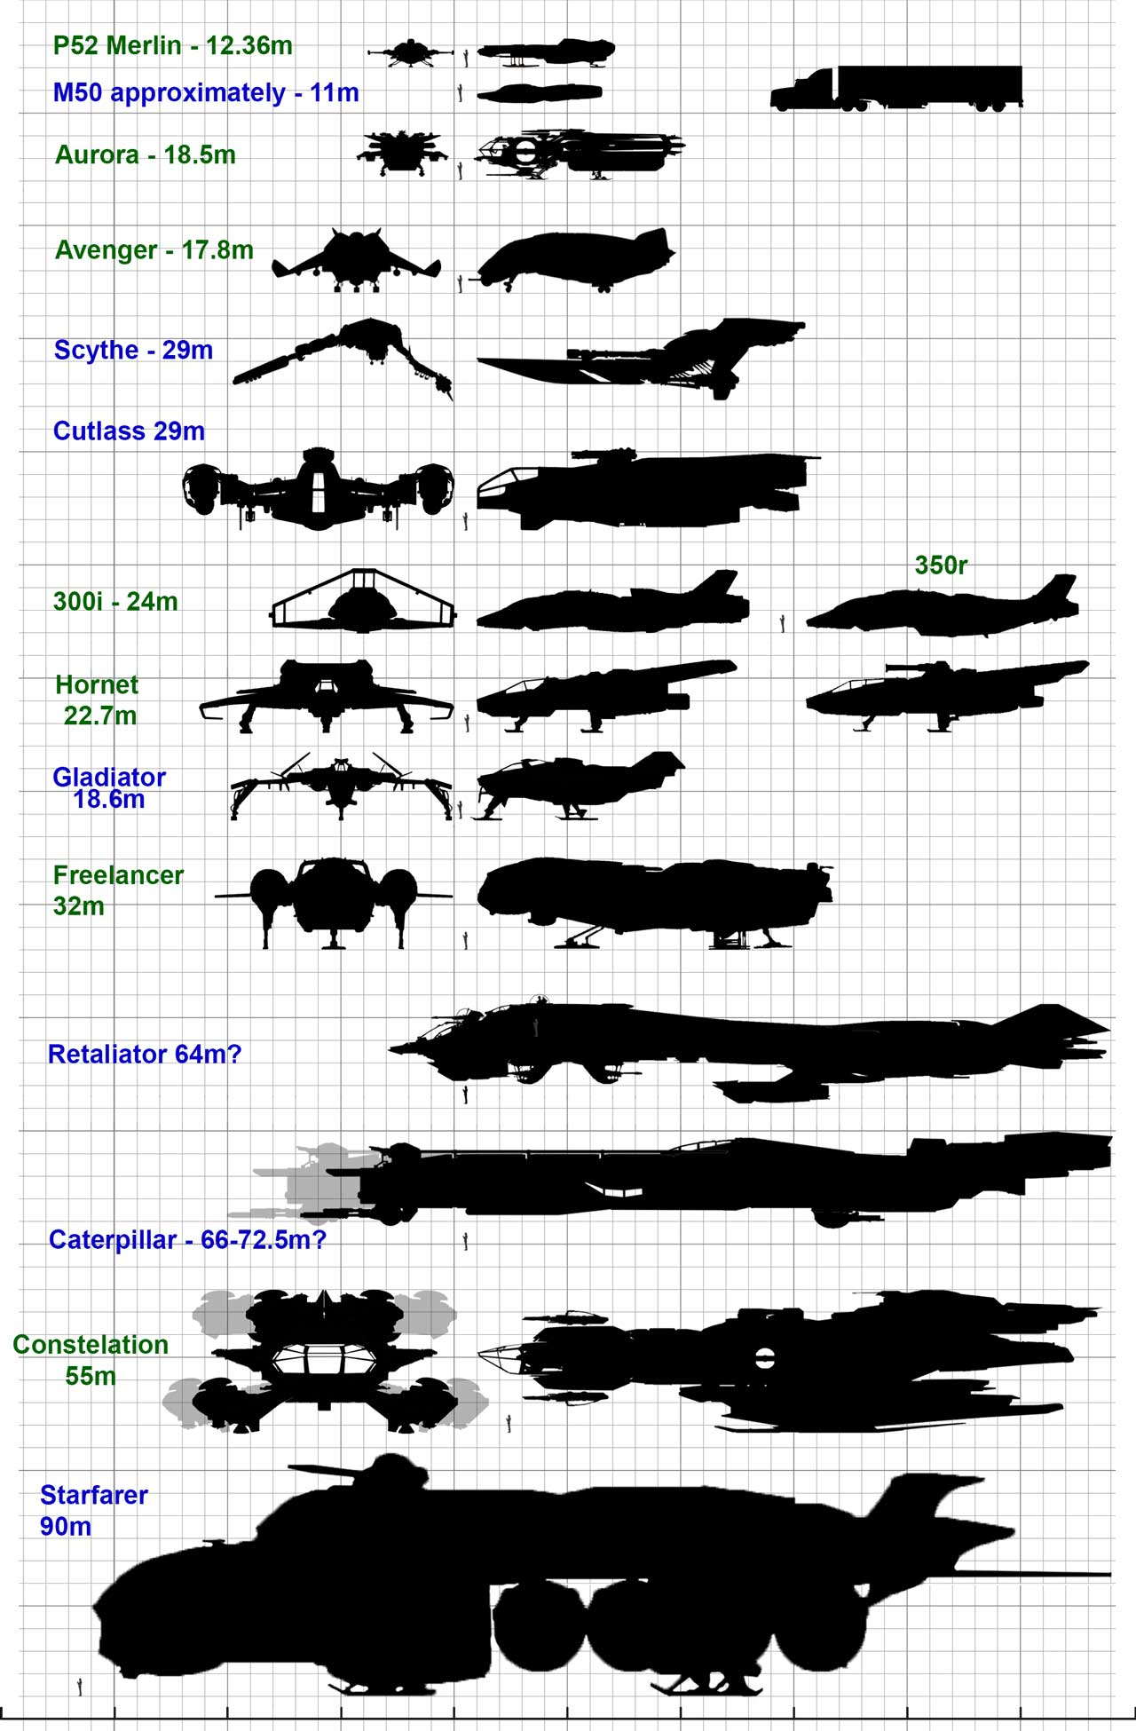

 | jimbo0270

Large ship size comparison by jimbo0270

