Sheet1
 | 41 | 41.5 | 42 | 42.5 | 43 | total
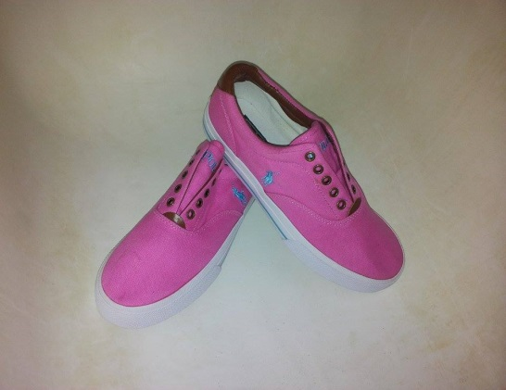 | 1 | 1 |  |  |  | 2
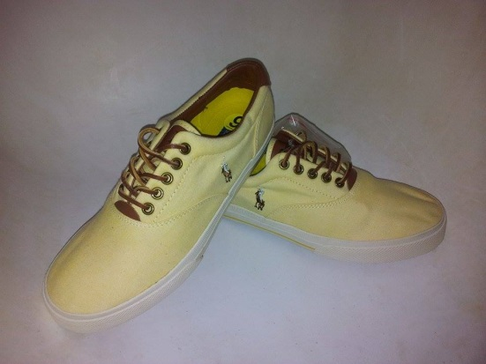 | 1 |  | 1 | 1 |  | 3
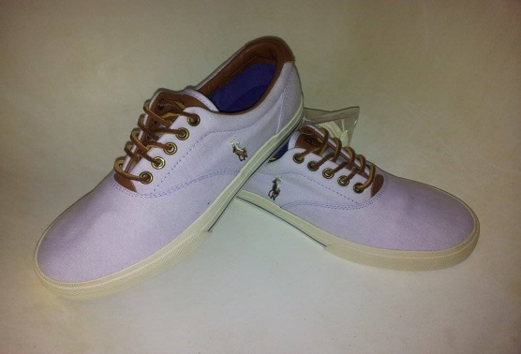 |  |  | 3 |  | 1 | 4
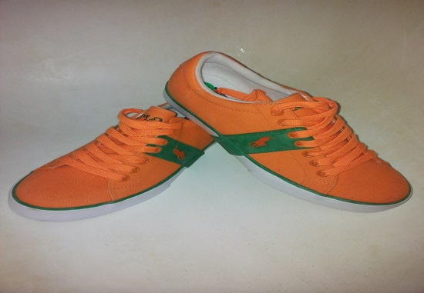 | 2 | 1 | 1 |  | 1 | 5
 |  |  |  |  | 2 | 2
 |  |  |  | 1 |  | 1
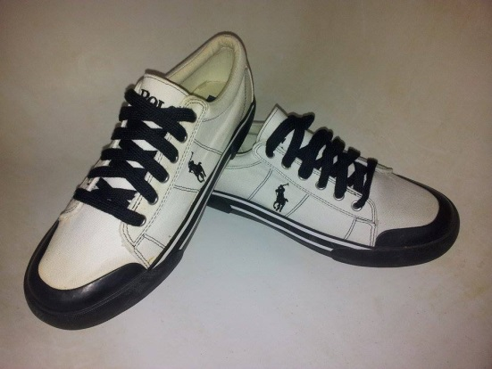 |  |  | 1 |  |  | 1
 |  |  |  |  | total | 18

