Sheet1
CUTIE PIE | STYLE NUMBER | DESCRIPTION | FABRIC | OPTIONS | COLORS | FABRIC COST/COO | GARMENT COO | SIZING | UNITS BOUGHT/SIZES | UNITS BOUGHT TOTAL | OPEN TO BUY | FIRST COST | WHOLESALE MARGIN | WHOLESALE PRICE | RETAIL MARGIN | RETAIL PRICE WITHOUT VAT | RETAIL PRICE WITH VAT | PRODUCT MIX | BREAKDOWN OFFER PER PRODUCT CATEGORY
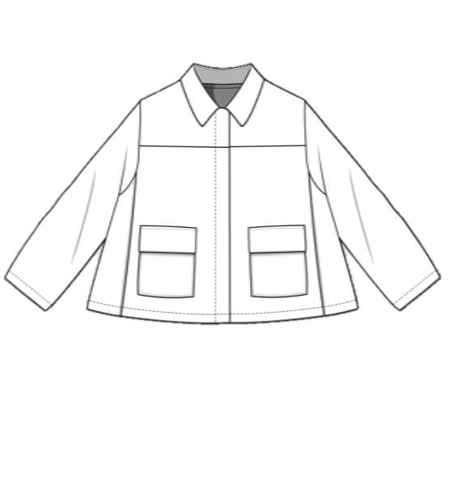 | CP150101 | PETER PAN COLLAR JACKET | DENIM: 98% COTTON – 2% ELASTHANE 100% COTTON | 3 | 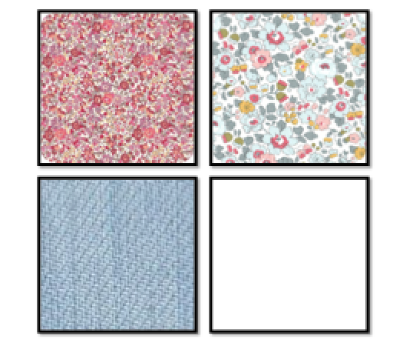 | LIBERTY : 11,80 €/METER DENIM : 7€/METER OUTERWEAR : 3,48€/METER MOROCCO | MOROCCO | 4Y - 6Y - 8Y - 10Y - 12Y | 4Y : 10 6Y : 10 8Y : 10 10Y : 10 12Y : 10 | 50 | 25TH OF MARCH | 24,63 € 21,85 € | 50% | 49,26 € 43,70 € | 63% | 133 € 118 € | 159,60 € 141,60 € | CORE | 8.82%
 | CP150102 | BLAZER | 100% COTTON | 2 | 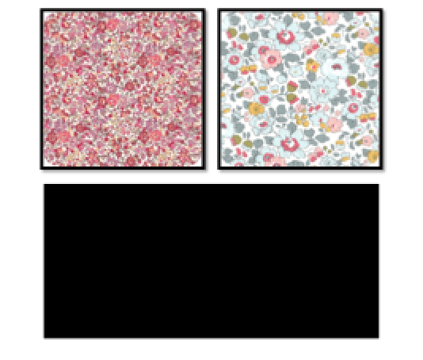 | LIBERTY : 11,80 €/METER OUTERWEAR : 3,48€/METER MOROCCO | MOROCCO | 4Y - 6Y - 8Y - 10Y - 12Y | 4Y : 10 6Y : 10 8Y : 10 10Y : 10 12Y : 10 | 50 | 25TH OF MARCH | 22.22 € | 50% | 44.44 € | 63% | 120 € | 144 € | CORE
 | CP150103 | PERFECTO | DENIM: 98% COTTON – 2% ELASTHANE | 1 |  | DENIM : 7€/METER MOROCCO | MOROCCO | 4Y - 6Y - 8Y - 10Y - 12Y | 4Y : 10 6Y : 10 8Y : 10 10Y : 10 12Y : 10 | 50 | 25TH OF MARCH | 25.93 € | 50% | 51.85 € | 63% | 140 € | 168 € | CORE
 | CP150201 | SWEATER | 100% COTTON | 2 | 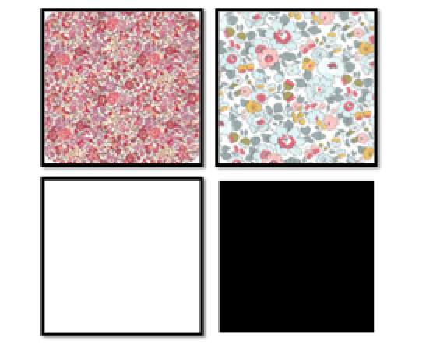 | LIBERTY : 11,80 €/METER SOFT SWEATER : 9,23€/METER MOROCCO | MOROCCO | 4Y - 6Y - 8Y - 10Y - 12Y | 4Y : 15 6Y : 15 8Y : 15 10Y : 15 12Y : 15 | 75 | 25TH OF MARCH | 10.37 € | 50% | 20.74 € | 63% | 56 € | 67.20 € | CORE | 11.76%
 | CP150202 | TSHIRT | 100% COTTON JERSEY: 94% COTTON - 6% ELASTHANE | 3 | 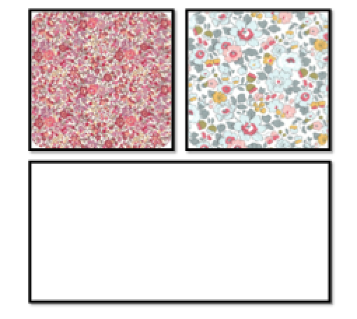 | LIBERTY : 11,80 €/METER JERSEY : 6,50€/METER MOROCCO | MOROCCO | 4Y - 6Y - 8Y - 10Y - 12Y | 4Y : 15 6Y : 15 8Y : 15 10Y : 15 12Y : 15 | 75 | 25TH OF MARCH | 6,48 € 5,56 € | 50% | 12,96 € 11,11 € | 63% | 35 € 30 € | 42 € 36 € | CORE
 | CP150203 | CARDIGAN | 100% COTTON | 3 |  | CLASSIC COTTON : 1,95€/METER MOROCCO | MOROCCO | 4Y - 6Y - 8Y - 10Y - 12Y | 4Y : 15 6Y : 15 8Y : 15 10Y : 15 12Y : 15 | 75 | 25TH OF MARCH | 8.70 € | 50% | 17.41 € | 63% | 47 € | 56.40 € | CORE
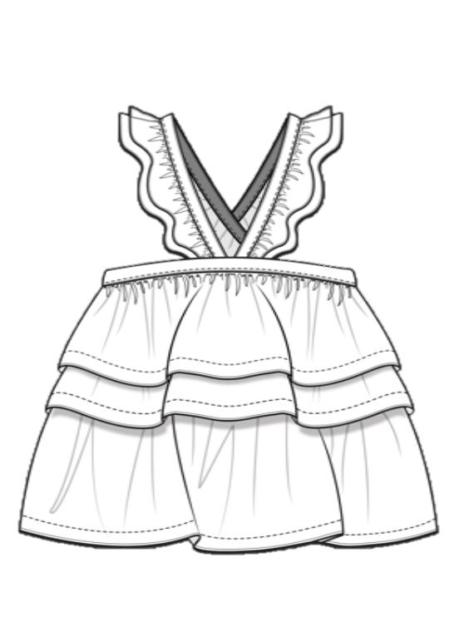 | CP150301 | FRILLS TANK TOP | 100% SILK 100% COTTON | 3 |  | LIBERTY : 11,80 €/METER COTTON VEIL: 2,88€/METER SILK : 6,45€/METER MOROCCO | MOROCCO | 4Y - 6Y - 8Y - 10Y - 12Y | 4Y : 15 6Y : 15 8Y : 15 10Y : 15 12Y : 15 | 75 | 1ST OF MAY | 12,04 € 9,63 € | 50% | 24,07 € 19,26 € | 63% | 65 € 52 € | 78 € 62,40 € | IMAGE | 13.24%
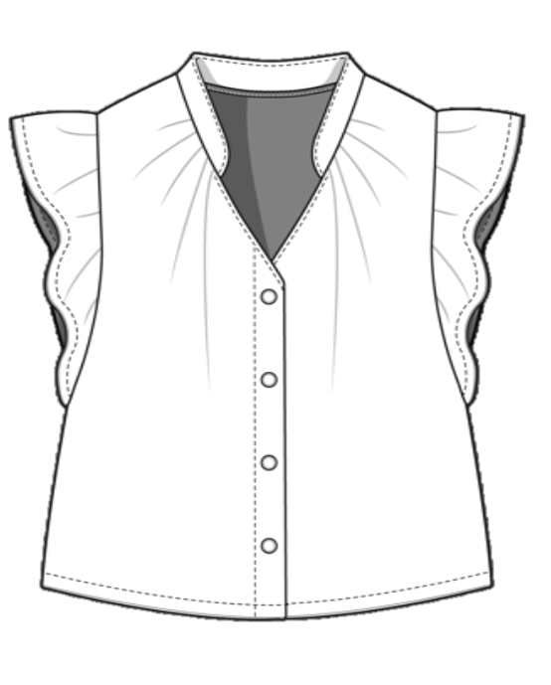 | CP150302 | FRILLS TOP WITH SHORT SLEEVES | 100% SILK 100% COTTON | 3 |  | LIBERTY : 11,80 €/METER COTTON VEIL: 2,88€/METER SILK : 6,45€/METER MOROCCO | MOROCCO | 4Y - 6Y - 8Y - 10Y - 12Y | 4Y : 15 6Y : 15 8Y : 15 10Y : 15 12Y : 15 | 75 | 25TH OF MARCH | 12,04 € 9,63 € 5,56 € | 50% | 24,07 € 19,26 € 11,11 € | 63% | 65 € 52 € 30 € | 78 € 62,40 € 36 € | FASHION
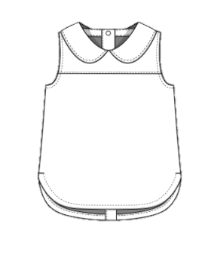 | CP150303 | PETER PAN COLLAR SLEEVLESS TOP | 100% SILK 100% COTTON | 3 |  | LIBERTY : 11,80 €/METER COTTON VEIL: 2,88€/METER SILK : 6,45€/METER MOROCCO | MOROCCO | 4Y - 6Y - 8Y - 10Y - 12Y | 4Y : 15 6Y : 15 8Y : 15 10Y : 15 12Y : 15 | 75 | 25TH OF MARCH | 12,04 € 5,56 € | 50% | 24,07 € 11,11 € | 63% | 65 € 30 € | 78 € 36 € | FASHION
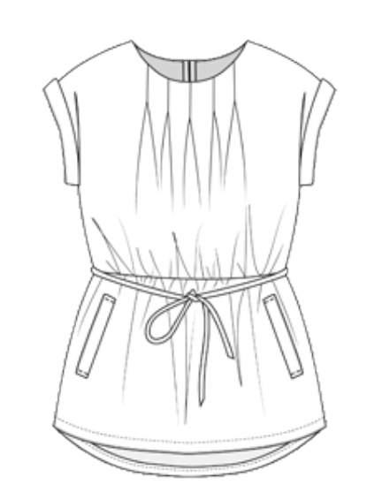 | CP150401 | SLEEVLESS BELTED DRESS | 100% COTTON | 2 |  | LIBERTY : 11,80 €/METER COTTON VEIL: 2,88€/METER MOROCCO | MOROCCO | 4Y - 6Y - 8Y - 10Y - 12Y | 4Y : 15 6Y : 15 8Y : 15 10Y : 15 12Y : 15 | 75 | 25TH OF MARCH | 11.11 € | 50% | 22.22 € | 63% | 60 € | 72 € | FASHION | 8.82%
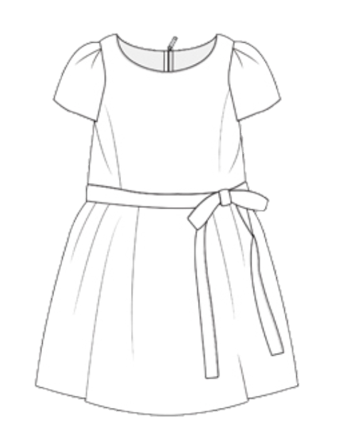 | CP150402 | SHORT SLEEVES BOW DRESS | 100% SILK | 2 |  | LIBERTY : 11,80 €/METER SILK : 6,45€/METER MOROCCO | MOROCCO | 4Y - 6Y - 8Y - 10Y - 12Y | 4Y : 15 6Y : 15 8Y : 15 10Y : 15 12Y : 15 | 75 | 25TH OF MARCH | 15.93 € | 50% | 31.85 € | 63% | 86 € | 103.20 € | FASHION
 | CP150403 | PETER PAN SHORT SLEEVES DRESS | 100% SILK | 2 |  | LIBERTY : 11,80 €/METER SILK : 6,45€/METER MOROCCO | MOROCCO | 4Y - 6Y - 8Y - 10Y - 12Y | 4Y : 15 6Y : 15 8Y : 15 10Y : 15 12Y : 15 | 75 | 25TH OF MARCH | 13.89 € | 50% | 27.78 € | 63% | 75 € | 90 € | FASHION
 | CP150501 | JUMPSUIT WITH SHORT SLEEVES | DENIM: 98% COTTON – 2% ELASTHANE 100% COTTON | 3 |  | LIBERTY : 11,80 €/METER DENIM : 7€/METER CLASSIC COTTON : 1,95€/METER MOROCCO | MOROCCO | 4Y - 6Y - 8Y - 10Y - 12Y | 4Y : 10 6Y : 10 8Y : 10 10Y : 10 12Y : 10 | 50 | 25TH OF MARCH | 11,85 € 9,81 € 8,33 € | 50% | 23,70 € 19,63 € 16,67 € | 63% | 64 € 53 € 45 € | 76,80 € 63,60 € 54 € | FASHION | 14.71%
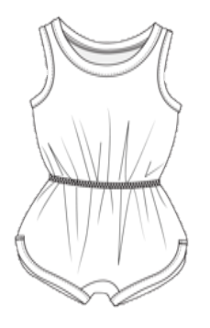 | CP150502 | SLEEVLESS PLAYSUIT | 100% COTTON | 3 | 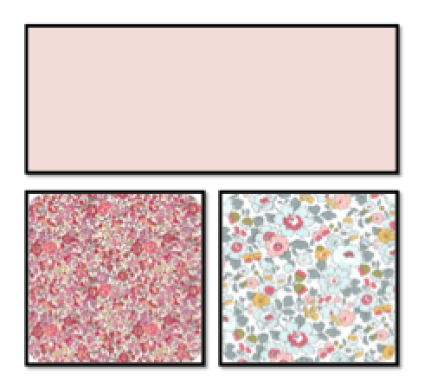 | LIBERTY : 11,80 €/METER COTTON VEIL: 2,88€/METER MOROCCO | MOROCCO | 4Y - 6Y - 8Y - 10Y - 12Y | 4Y : 10 6Y : 10 8Y : 10 10Y : 10 12Y : 10 | 50 | 1ST OF MAY | 10,19 € 7,41 € | 50% | 20,37 € 14,81 € | 63% | 55 € 40 € | 66 € 48 € | FASHION
 | CP150503 | SLEEVLESS JUMPSUIT | DENIM: 98% COTTON – 2% ELASTHANE 100% COTTON | 4 | 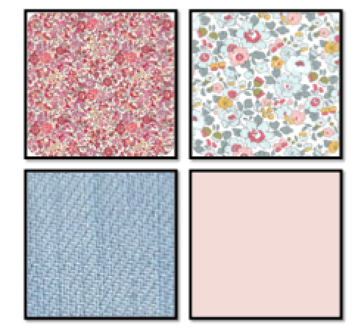 | LIBERTY : 11,80 €/METER DENIM : 7€/METER CLASSIC COTTON : 1,95€/METER MOROCCO | MOROCCO | 4Y - 6Y - 8Y - 10Y - 12Y | 4Y : 10 6Y : 10 8Y : 10 10Y : 10 12Y : 10 | 50 | 25TH OF MARCH | 11,85 € 9,81 € 8,33 € | 50% | 23,70 € 19,63 € 16,67 € | 63% | 64 € 53 € 45 € | 76,80 € 63,60 € 54 € | IMAGE
 | CP150601 | BASIC PANTS | DENIM: 98% COTTON – 2% ELASTHANE 100% COTTON | 3 | 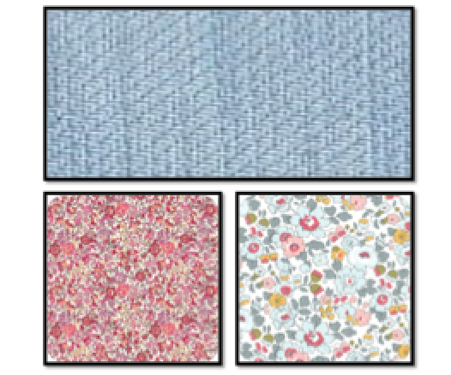 | LIBERTY : 11,80 €/METER DENIM : 7€/METER MOROCCO | MOROCCO | 4Y - 6Y - 8Y - 10Y - 12Y | 4Y : 16 6Y : 16 8Y : 16 10Y : 16 12Y : 16 | 80 | 25TH OF MARCH | 12,22 € 8,89 € | 50% | 24,44 € 17,78 € | 63% | 66 € 48 € | 79,20 € 57,60 € | CORE | 13.24%
 | CP150602 | BELTED FLARE PANTS | 100% LINEN | 3 |  | LIBERTY : 11,80 €/METER LINEN : 7,25€/METER MOROCCO | MOROCCO | 4Y - 6Y - 8Y - 10Y - 12Y | 4Y : 12 6Y : 12 8Y : 12 10Y : 12 12Y : 12 | 60 | 1ST OF MAY | 10.19 € | 50% | 20.37 € | 63% | 55 € | 66 € | IMAGE
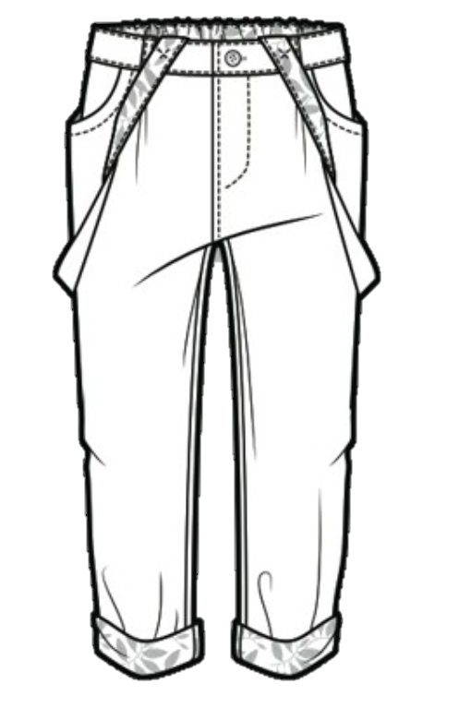 | CP150603 | BASIC PANTS WITH SUSPENDERS | DENIM: 98% COTTON – 2% ELASTHANE 100% COTTON | 3 |  | LIBERTY : 11,80 €/METER DENIM : 7€/METER CLASSIC COTTON : 1,95€/METER MOROCCO | MOROCCO | 4Y - 6Y - 8Y - 10Y - 12Y | 4Y : 25 6Y : 25 8Y : 25 10Y : 25 12Y : 25 | 80 | 25TH OF MARCH | 9,63 € 9,26 € 7,96 € | 50% | 19,26 € 18,52 € 15,93€ | 63% | 52 € 50 € 43 € | 62,40 € 60 € 51,60 € | FASHION
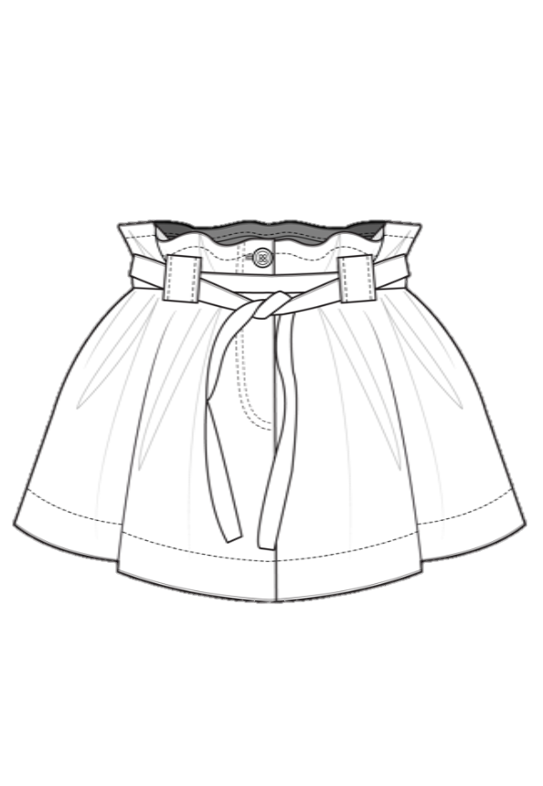 | CP150701 | BELTED ROUND SKIRT | DENIM: 98% COTTON – 2% ELASTHANE 100% COTTON | 2 |  | LIBERTY : 11,80 €/METER DENIM : 7€/METER CLASSIC COTTON : 1,95€/METER MOROCCO | MOROCCO | 4Y - 6Y - 8Y - 10Y - 12Y | 4Y : 25 6Y : 25 8Y : 25 10Y : 25 12Y : 25 | 80 | 25TH OF MARCH | 9,63 € 7,96 € | 50% | 19,26 € 15,93 € | 63% | 52 € 43 € | 62,40 € 51,60 € | CORE | 8.82%
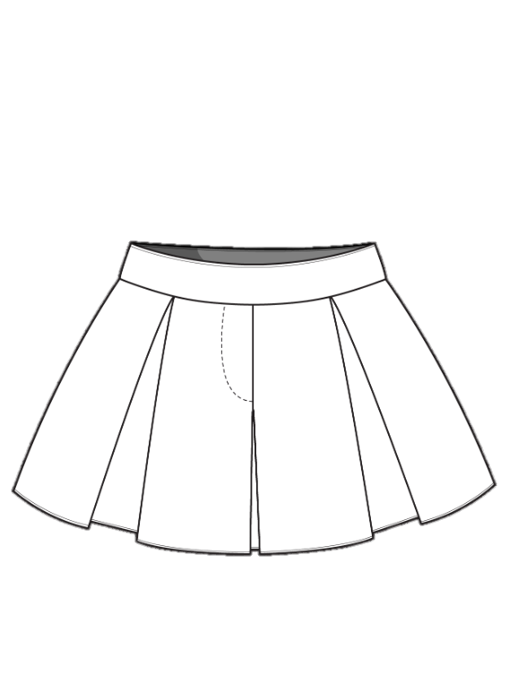 | CP150702 | SKATER SKIRT | 100% COTTON | 2 | 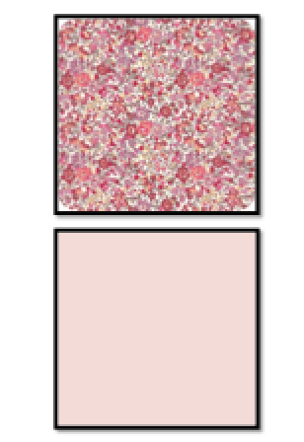 | LIBERTY : 11,80 €/METER CLASSIC COTTON : 1,95€/METER MOROCCO | MOROCCO | 4Y - 6Y - 8Y - 10Y - 12Y | 4Y : 12 6Y : 12 8Y : 12 10Y : 12 12Y : 12 | 60 | 25TH OF MARCH | 12,22 € 6,48 € | 50% | 24,44 € 12,96 € | 63% | 66 € 35 € | 79,20 € 42 € | CORE
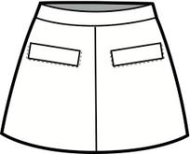 | CP150703 | A-LINE SKIRT WITH POCKETS | DENIM: 98% COTTON – 2% ELASTHANE 100% COTTON | 2 | 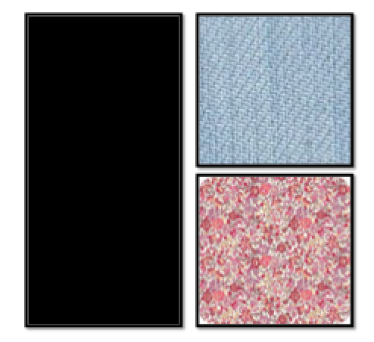 | LIBERTY : 11,80 €/METER DENIM : 7€/METER CLASSIC COTTON : 1,95€/METER MOROCCO | MOROCCO | 4Y - 6Y - 8Y - 10Y - 12Y | 4Y : 12 6Y : 12 8Y : 12 10Y : 12 12Y : 12 | 60 | 25TH OF MARCH | 11,11 € 9,63 € | 50% | 22,22 € 19,26 € | 63% | 60 € 52 € | 72 € 62,40 € | CORE
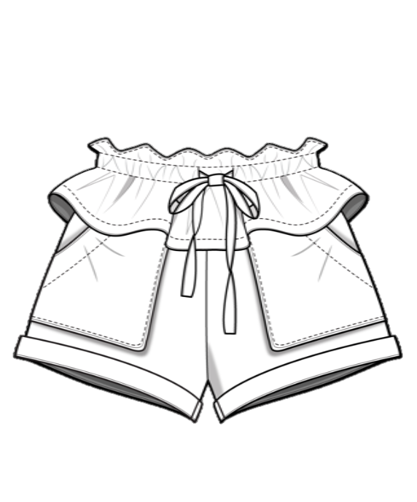 | CP150801 | BELTED BASQUED SHORTS | DENIM: 98% COTTON – 2% ELASTHANE 100% COTTON | 2 | 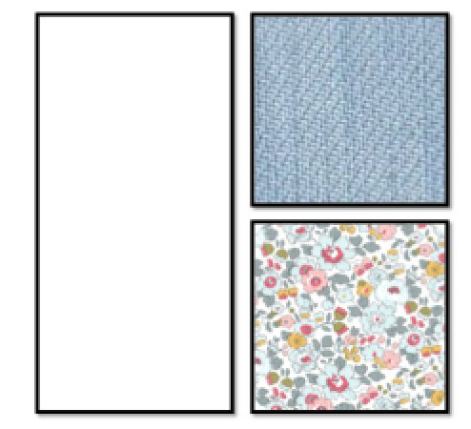 | LIBERTY : 11,80 €/METER DENIM : 7€/METER CLASSIC COTTON : 1,95€/METER MOROCCO | MOROCCO | 4Y - 6Y - 8Y - 10Y - 12Y | 4Y : 12 6Y : 12 8Y : 12 10Y : 12 12Y : 12 | 60 | 1ST OF MAY | 8,52 € 6,48 € | 50% | 17,04 € 12,96 € | 63% | 46 € 35 € | 55,20 € 42 € | IMAGE | 13.24%
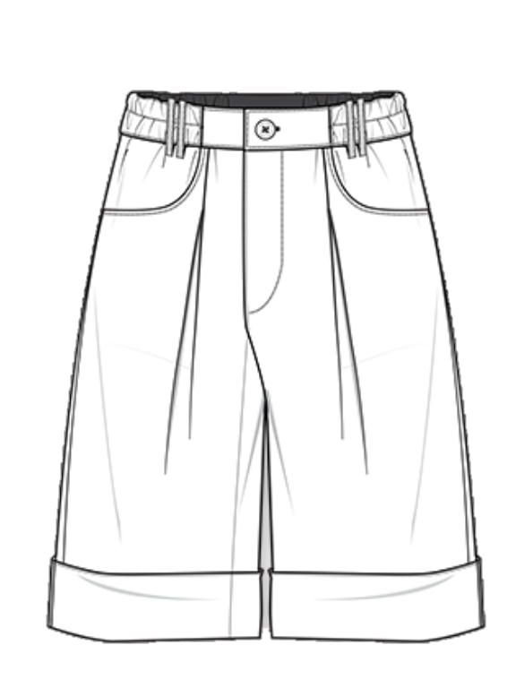 | CP150802 | BOYISH BERMUDA SHORTS | 100% LINEN | 2 |  | LINEN : 7,25€/METER MOROCCO | MOROCCO | 4Y - 6Y - 8Y - 10Y - 12Y | 4Y : 12 6Y : 12 8Y : 12 10Y : 12 12Y : 12 | 60 | 25TH OF MARCH | 9.81 € | 50% | 19.63 € | 63% | 53 € | 63.60 € | FASHION
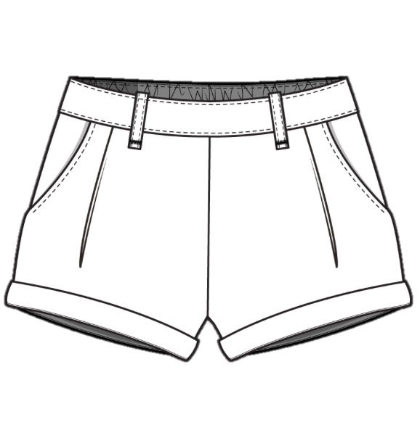 | CP150803 | CLASSIC SHORTS | DENIM: 98% COTTON – 2% ELASTHANE 100% COTTON | 5 |  | LIBERTY : 11,80 €/METER DENIM : 7€/METER CLASSIC COTTON : 1,95€/METER MOROCCO | MOROCCO | 4Y - 6Y - 8Y - 10Y - 12Y | 4Y : 15 6Y : 15 8Y : 15 10Y : 15 12Y : 15 | 75 | 25TH OF MARCH | 11,11 € 7,41 € 6,48 € | 50% | 22,22 € 14,81 € 12,96 € | 63% | 60 € 40 € 35 € | 72 € 48 € 42 € | CORE
 | CP150901 | FLOUNCE ONE PIECE | 100% COTTON SWIMWEAR: 85% POLYAMIDE – 15% ELASTHANE | 2 |  | LIBERTY : 11,80 €/METER SWIMWEAR : 6,48€/METER MOROCCO | MOROCCO | 4Y - 6Y - 8Y - 10Y - 12Y | 4Y : 12 6Y : 12 8Y : 12 10Y : 12 12Y : 12 | 60 | 1ST OF MAY | 7,22 € 5,37 € | 50% | 14,44 € 10,74 € | 63% | 39 € 29 € | 46,80 € 34,80 € | CORE | 7.35%
 | CP150902 | TRIANGLE BIKINI WITH FRILLS | 100% COTTON SWIMWEAR: 85% POLYAMIDE – 15% ELASTHANE | 2 |  | LIBERTY : 11,80 €/METER SWIMWEAR : 6,48€/METER MOROCCO | MOROCCO | 4Y - 6Y - 8Y - 10Y - 12Y | 4Y : 12 6Y : 12 8Y : 12 10Y : 12 12Y : 12 | 60 | 1ST OF MAY | 7,22 € 5,37 € | 50% | 14,44 € 10,74 € | 63% | 39 € 29 € | 46,80 € 34,80 € | FASHION
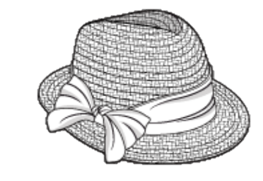 | CP150903 | HAT | RAPHIA 100% COTTON | 1 |  | LIBERTY : 11,80 €/METER RAPHIA : 0,20€/METER MOROCCO | MOROCCO | ONE SIZE | 20 | 20 | 1ST OF MAY | 5.74 € | 50% | 11.48 € | 63% | 31 € | 37.20 € | CORE
TOTAL | 27 |  |  | 68 |  |  |  |  |  | 1730 |  |  |  |  |  |  |  |  | 100%

